Notes
SEER Rated AC/HP

Split / Pkg / Sizes are only determined by the standard baseline.
measure cases for the same SEER are the same across different categories (Split / Pkg / Sizes), as prototypes are autosized

Does it make sense to create DIFFERENT TechIDs for different measure cases with same SEER but different eqiupment categories? (Split / Pkg / Sizes)
i.e.: | dxAC-Res-Pkg-18to65kBtuh-SEER-20.0
 | dxAC-Res-Splt-18to45kBtuh-SEER-20.0
 | dxAC-Res-Splt-45to65kBtuh-SEER-20.0
 | (they are actually the same)

(remember, the simulations run it like this for each permutation.. And the post-processing mix-and-match the baselines and measure cases to become the corresponding categories)
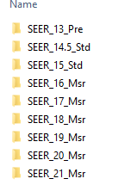

Fan Controls

Fan Controls measures are not listed here (skipped for the time being)
Since the Fan control measure savings did not go through the traditional baseline - measure model approach. Not sure if it make sense to have a "PreTechID" and "MsrTechID" in the measure table
for Fan Control savings, only the SEER Rated Pre-baselines are used as basis to calculate the Fan Control savings using a regression in custom workbooks. (Sho knows about this process for the time being)
We can decide about how to deal with Fan Control here

reconstruct hourly profile (EU) to represent MsrTechID case
(no WB)

db_Setup
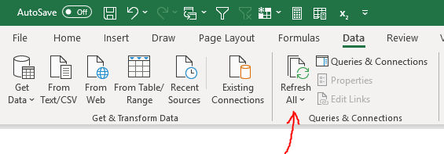
Steps for first-time use
1 | 2 | 3
Run psqlodbc-setup.exe to install PostgreSQL drivers | Go to system settings window, search for ODBC Data Source, and select PostgreSQL Unicode driver most appropriate for the Excel installation on your computer (32/64-bit). | Use the login information provided below when prompted.
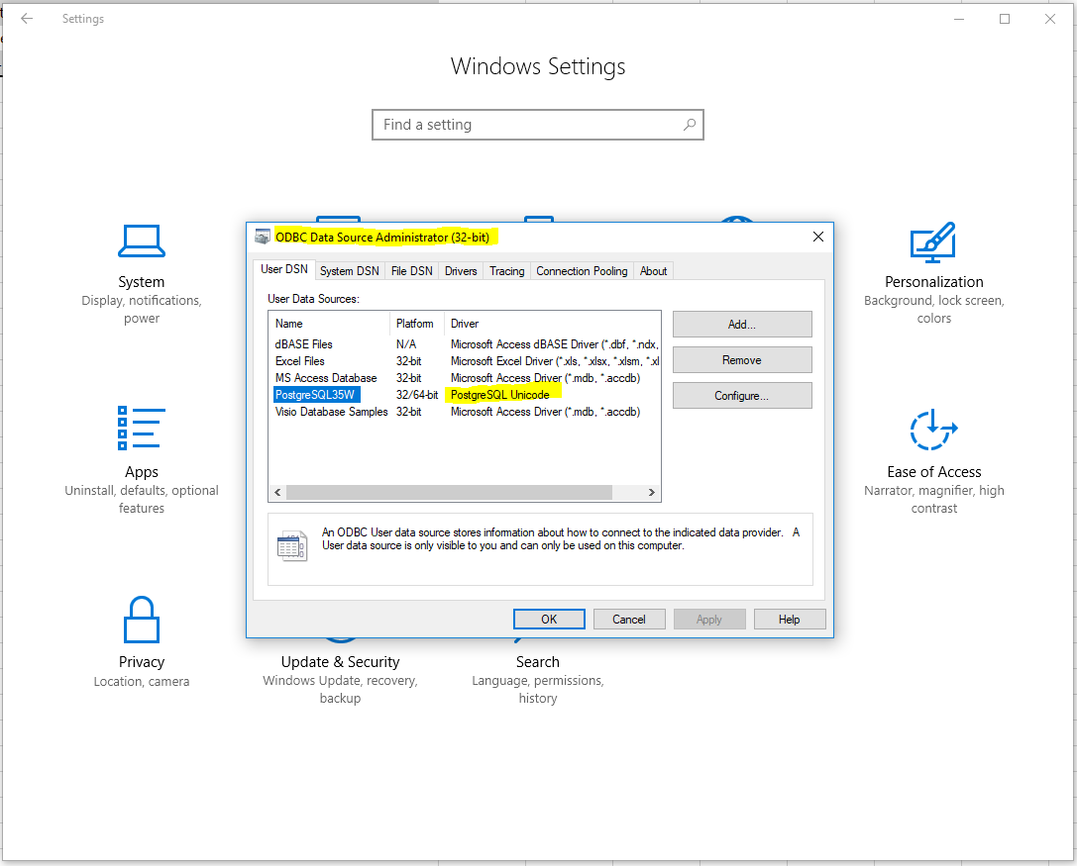
ODBC Data Source
(It can be downloaded from https://www.postgresql.org/download/windows/.) |  | Descriptor | (blank) | Contents
 |  | Host |  | cpucexante.cwuiixjcexyp.us-east-1.rds.amazonaws.com
 |  | Database |  | DEER
 |  | Type |  | PostgreSQL
 |  | Port |  | 5432
 |  | User |  | sptviewer
 |  | Password |  | deereddev

Steps for subsequent uses
4
To refresh contents of tables from DEER, go to the Data ribbon and click Refresh All. Reloading data will take about a minute (unless it has been a long time since last reloaded).

